Script
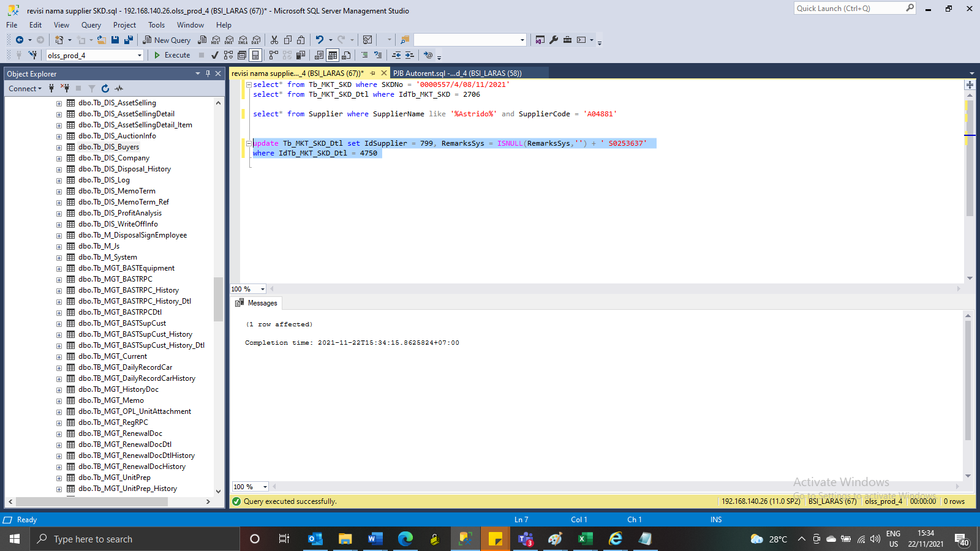
update Tb_MKT_SKD_Dtl set IdSupplier = 799, RemarksSys = ISNULL(RemarksSys,'') + ' S0253637'
where IdTb_MKT_SKD_Dtl = 4750

Screenshot
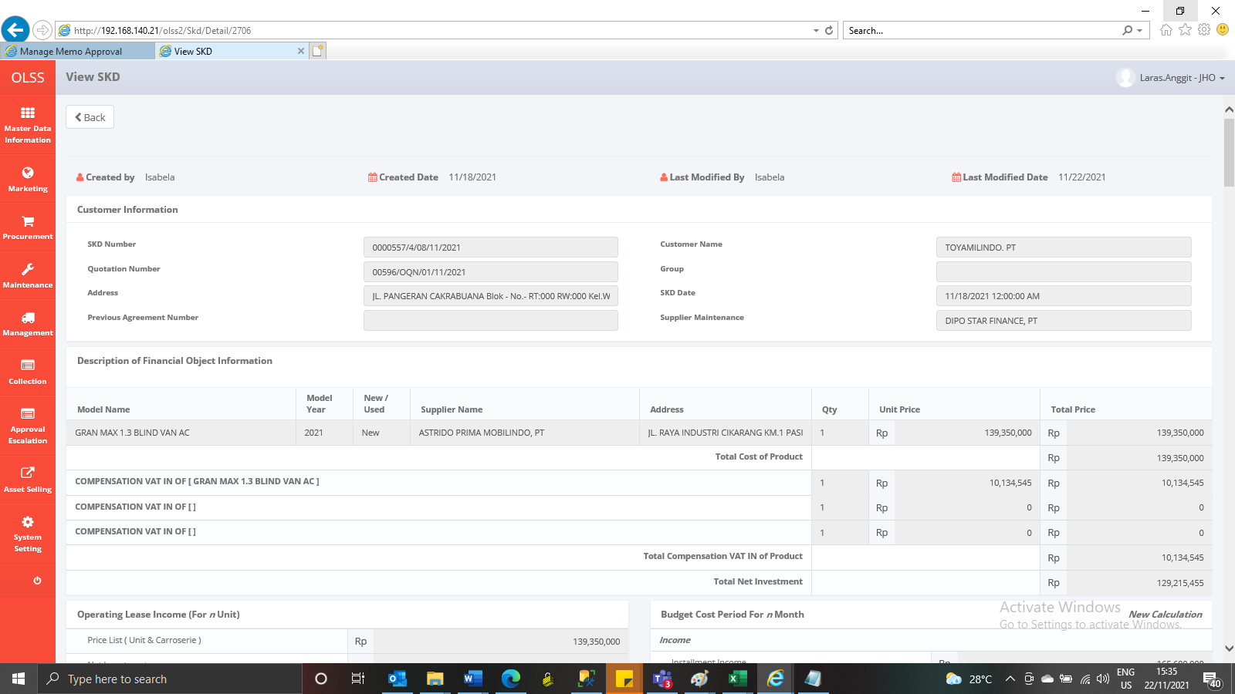
BEFORE
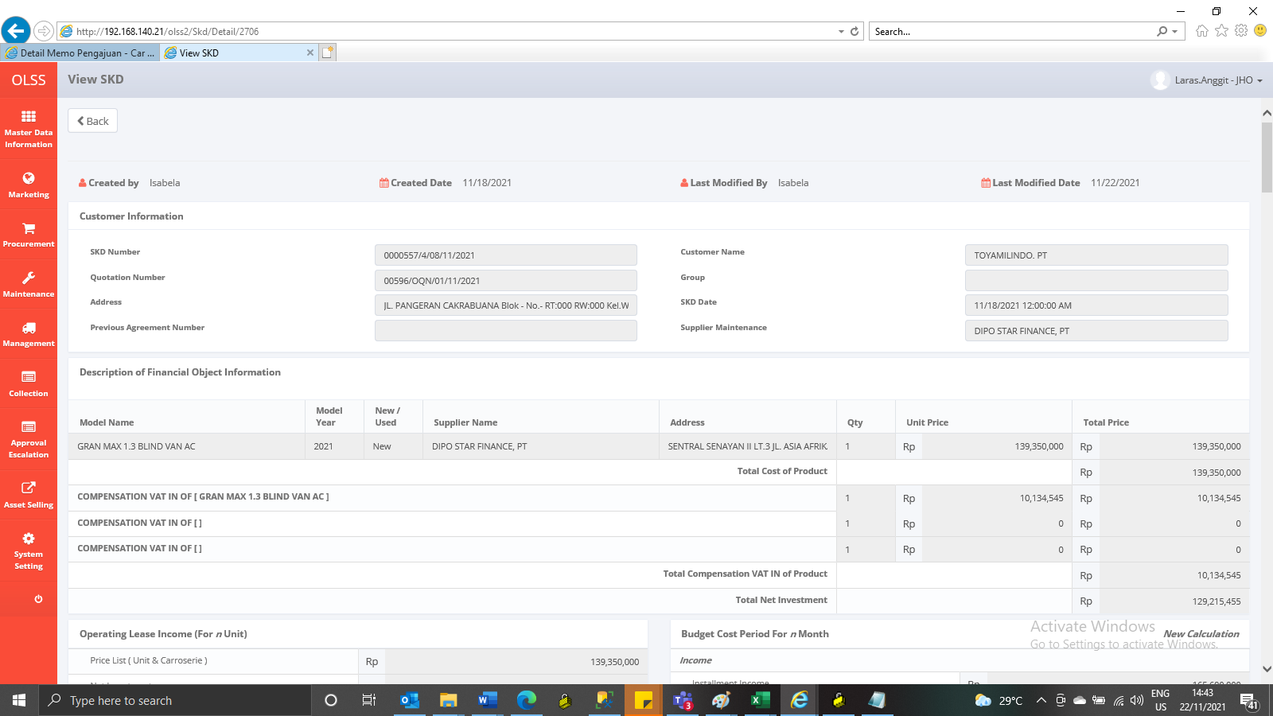

AFTER

